Tests overview
DICE
 | Lumen_DICE | Catheter_DICE | Guidewire_DICE | Intima_DICE | Media_DICE | Lipid_DICE | Lipid_arc_DICE | Calcium_DICE | Calcium_arc_DICE | Plaque_rupture_DICE | Red_Thrombus_DICE | White_Thrombus_DICE
 | 0.974 | 0.987 | 0.928 | 0.873 | 0.736 | 0.415 | 0.666 | 0.259 | 0.472 | 0.313 | 0.000 | 0
 | 0.975 | 0.988 | 0.930 | 0.890 | 0.747 | 0.465 | 0.760 | 0.258 | 0.49 | 0.369 | 0.032 | 0
 | 0.982 | 0.990 | 0.942 | 0.894 | 0.773 | 0.554 | 0.768 | 0.508 | 0.643 | 0.378 | 0.094 | 0
Cohen's Kappa
 | Lipid_K | TCFA_K | Calcium_K | Plaque_rupture_K | Red_Thrombus_K | White_Thrombus_K | Sidebranch_K
1 | 0.647 | 0.244 | 0.397 | 0.794 | 0.326 | 0 | 0.725
2 | 0.791 | 0.416 | 0.391 | 0.886 | 0.394 | 0 | 0.764
3 | 0.852 | 0.413 | 0.796 | 0.886 | 0.664 | 0 | 0.752
4
Lipids
 | Lipid_DICE | Lipid_sens | Lipid_spec | Lipid_ppv | Lipid_npv | Lipid_K
1 | 0.415 | 98.7 | 67.1 | 73.1 | 98.3 | 0.647
2 | 0.465 | 96.1 | 83.5 | 84.1 | 95.9 | 0.791
3 | 0.554 | 96.1 | 89.4 | 89.2 | 96.2 | 0.852
4
Lipid arc and FCT
 | FCT_mean_difference | FCT_SD | Lipid_arc_mean_difference | Lipid_arc_SD
1 | 26.4342 | 126.972 | 10.0329 | 36.543
2 | 23.4189 | 140.305 | 5.5743 | 31.746
3 | 26.635 | 83.868 | 1.71 | 26.648
4
TCFA
 | TCFA_sens | TCFA_spec | TCFA_ppv | TCFA_npv | TCFA_K
1 | 16.7 | 99.3 | 66.7 | 93.7 | 0.244
2 | 33.3 | 98.7 | 66.7 | 94.9 | 0.416
3 | 36.4 | 98 | 57.1 | 95.5 | 0.413
4
Calcium
 | Calcium_DICE | Calcium_sens | Calcium_spec | Calcium_ppv | Calcium_npv | Calcium_K
1 | 0.259 | 85.2 | 73.3 | 39 | 96.1 | 0.397
2 | 0.258 | 88.9 | 71.1 | 38.1 | 97 | 0.391
3 | 0.508 | 92.6 | 94.1 | 75.8 | 98.4 | 0.796
4
Calcium intaclass correlation
 | Calcium_depth_ICC(2,1) | Calcium_thickness_ICC(2,1) | Calcium_arc_ICC(2,1) | Calcium_length_ICC(2,1)
1 | 0.712 | 0.771 | 0.813
2 | 0.919 | 0.832 | 0.88
3 | 0.835 | 0.852 | 0.873
4
Calcium measures
 | Calcium_depth_mean_difference | Calcium_depth_SD | Calcium_thickness_mean_difference | Calcium_thickness_SD | Calcium_arc_mean_difference | Calcium_arc_SD | Calcium_length_mean_difference | Calcium_length_SD
1 | -14 | 73.398 | -104.92 | 219.26 | -4.25 | 19.48
2 | -10.6 | 45.41 | -81.72 | 185.27 | -6.72 | 15.02
3 | -2.46 | 66.16 | -85.73 | 175.73 | -8.38 | 14.63
4
Lipid intraclass correlation
 | FCT_ICC(2,1) | Lipid_arc_ICC(2,1)
1 | 0.565 | 0.849
2 | 0.544 | 0.878
3 | 0.795 | 0.907
4
Plaque Rupture
 | Plaque_rupture_DICE | Plaque_rupture_sens | Plaque_rupture_spec | Plaque_rupture_ppv | Plaque_rupture_npv | Plaque_rupture_K
1 | 0.313 | 80 | 99.4 | 80 | 99.4 | 0.794
2 | 0.369 | 80 | 100 | 100 | 99.4 | 0.886
3 | 0.378 | 80 | 100 | 100 | 99.4 | 0.886
4
Red Thrombus
 | Red_Thrombus_DICE | Red_Thrombus_sens | Red_Thrombus_spec | Red_Thrombus_ppv | Red_Thrombus_npv | Red_Thrombus_K
1 | 0.000 | 100 | 97.5 | 20 | 100 | 0.326
2 | 0.032 | 100 | 98.1 | 25 | 100 | 0.394
3 | 0.094 | 100 | 99.4 | 50 | 100 | 0.664
4
White thrombus
 | White_Thrombus_DICE | White_Thrombus_sens | White_Thrombus_spec | White_Thrombus_ppv | White_Thrombus_npv | White_Thrombus_K
1 | 0 | 0 | 0 | 0 | 0 | 0
2 | 0 | 0 | 0 | 0 | 0 | 0
3 | 0 | 0 | 0 | 0 | 0 | 0
4
Sidebranch
 | Sidebranch_DICE | Sidebranch_sens | Sidebranch_spec | Sidebranch_ppv | Sidebranch_npv | Sidebranch_K
1 | 0.522 | 83.3 | 94.2 | 71.4 | 97 | 0.725
2 | 0.554 | 83.3 | 95.7 | 76.9 | 97.1 | 0.764
3 | 0.599 | 87.5 | 94.2 | 72.4 | 97.7 | 0.752
4
Extra
 | Lumen_DICE | Catheter_DICE | Guidewire_DICE | Intima_DICE | Media_DICE | Lipid_DICE | Lipid_arc_DICE | Lipid_sens | Lipid_spec | Lipid_ppv | Lipid_npv | Lipid_K
1 | 0.974 | 0.987 | 0.928 | 0.873 | 0.736 | 0.415 | 0.666 | 98.7 | 67.1 | 73.1 | 98.3 | 0.647
2 | 0.975 | 0.988 | 0.930 | 0.890 | 0.747 | 0.465 | 0.760 | 96.1 | 83.5 | 84.1 | 95.9 | 0.791
3 | 0.982 | 0.990 | 0.942 | 0.894 | 0.773 | 0.554 | 0.768 | 96.1 | 89.4 | 89.2 | 96.2 | 0.852
4

Test | Date | n_patients_trainingset | n_frames_trainingset | Architecture_used | Computational time (hours) | Lumen_DICE | Catheter_DICE | Guidewire_DICE | Intima_DICE | Media_DICE | Lipid_DICE | Lipid_arc_DICE | Lipid_sens | Lipid_spec | Lipid_ppv | Lipid_npv | Lipid_K | FCT_ICC(2,1) | FCT_mean_difference | FCT_SD | Lipid_arc_ICC(2,1) | Lipid_arc_mean_difference | Lipid_arc_SD | TCFA_sens | TCFA_spec | TCFA_ppv | TCFA_npv | TCFA_K | Calcium_DICE | Calcium_arc_DICE | Calcium_sens | Calcium_spec | Calcium_ppv | Calcium_npv | Calcium_K | Calcium_depth_ICC(2,1) | Calcium_depth_mean_difference | Calcium_depth_SD | Calcium_thickness_ICC(2,1) | Calcium_thickness_mean_difference | Calcium_thickness_SD | Calcium_arc_ICC(2,1) | Calcium_arc_mean_difference | Calcium_arc_SD | Calcium_length_ICC(2,1) | Calcium_length_mean_difference | Calcium_length_SD | Plaque_rupture_DICE | Plaque_rupture_sens | Plaque_rupture_spec | Plaque_rupture_ppv | Plaque_rupture_npv | Plaque_rupture_K | Red_Thrombus_DICE | Red_Thrombus_sens | Red_Thrombus_spec | Red_Thrombus_ppv | Red_Thrombus_npv | Red_Thrombus_K | White_Thrombus_DICE | White_Thrombus_sens | White_Thrombus_spec | White_Thrombus_ppv | White_Thrombus_npv | White_Thrombus_K | Sidebranch_DICE | Sidebranch_sens | Sidebranch_spec | Sidebranch_ppv | Sidebranch_npv | Sidebranch_K
1 | 2023-02-13 | 56 | 783 | 2D nnUNet | ~27 hours per fold | 0.974 | 0.987 | 0.928 | 0.873 | 0.736 | 0.415 | 0.666 | 98.7 | 67.1 | 73.1 | 98.3 | 0.647 | 0.565 | 26.434 | 126.972 | 0.849 | 10.033 | 36.543 | 16.7 | 99.3 | 66.7 | 93.7 | 0.244 | 0.259 | 0.472 | 85.2 | 73.3 | 39.0 | 96.1 | 0.397 | 0.712 | -14.000 | 73.398 | 0.771 | -104.920 | 219.260 | 0.813 | -4.250 | 19.480 |  |  |  | 0.313 | 80.0 | 99.4 | 80.0 | 99.4 | 0.794 | 0 | 100.0 | 97.5 | 20.0 | 100.0 | 0.326 | 0 | NA | NA | NA | NA | NA | 0.522 | 83.3 | 94.2 | 71.4 | 97.0 | 0.725
2 | 2023-02-25 | 75 | 1215 | 2D nnUNet | ~48 hours longest fold | 0.975 | 0.988 | 0.930 | 0.890 | 0.747 | 0.465 | 0.760 | 96.1 | 83.5 | 84.1 | 95.9 | 0.791 | 0.544 | 23.4189 | 140.305 | 0.878 | 5.5743 | 31.746 | 33.3 | 98.7 | 66.7 | 94.9 | 0.416 | 0.258 | 0.49 | 88.9 | 71.1 | 38.1 | 97 | 0.391 | 0.919 | -10.6 | 45.41 | 0.832 | -81.72 | 185.27 | 0.88 | -6.72 | 15.02 |  |  |  | 0.369 | 80 | 100 | 100 | 99.4 | 0.886 | 0.032 | 100 | 98.1 | 25 | 100 | 0.394 | 0 | NA | NA | NA | NA | NA | 0.554 | 83.3 | 95.7 | 76.9 | 97.1 | 0.764
3 | 2023-03-06 | 100 | 1649 | 2D nnUNet | ~48 hours longest fold | 0.982 | 0.990 | 0.942 | 0.894 | 0.773 | 0.554 | 0.768 | 96.1 | 89.4 | 89.2 | 96.2 | 0.852 | 0.795 | 26.635 | 83.868 | 0.907 | 1.71 | 26.648 | 36.4 | 98 | 57.1 | 95.5 | 0.413 | 0.508 | 0.643 | 92.6 | 94.1 | 75.8 | 98.4 | 0.796 | 0.835 | -2.46 | 66.16 | 0.852 | -85.73 | 175.73 | 0.873 | -8.38 | 14.63 |  |  |  | 0.378 | 80 | 100 | 100 | 99.4 | 0.886 | 0.094 | 100 | 99.4 | 50 | 100 | 0.664 | 0 | NA | NA | NA | NA | NA | 0.599 | 87.5 | 94.2 | 72.4 | 97.7 | 0.752
4 |  | 112 |  | 2D nnUNet

Correlation and Bland Altman
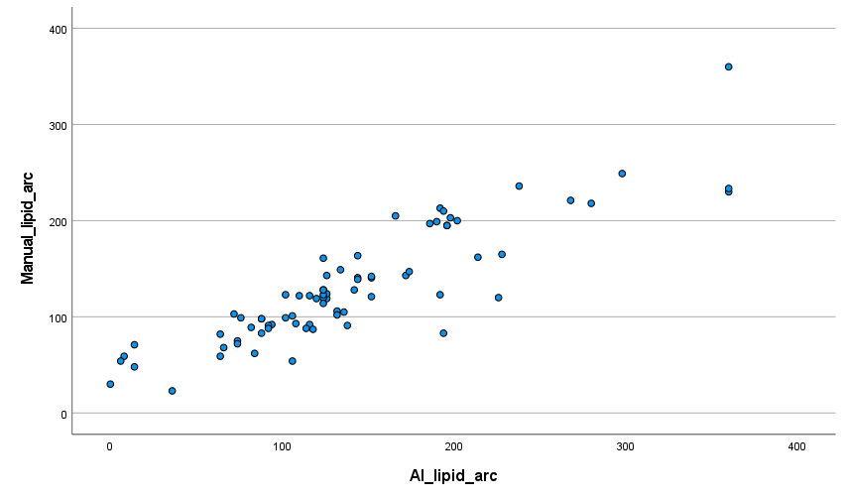
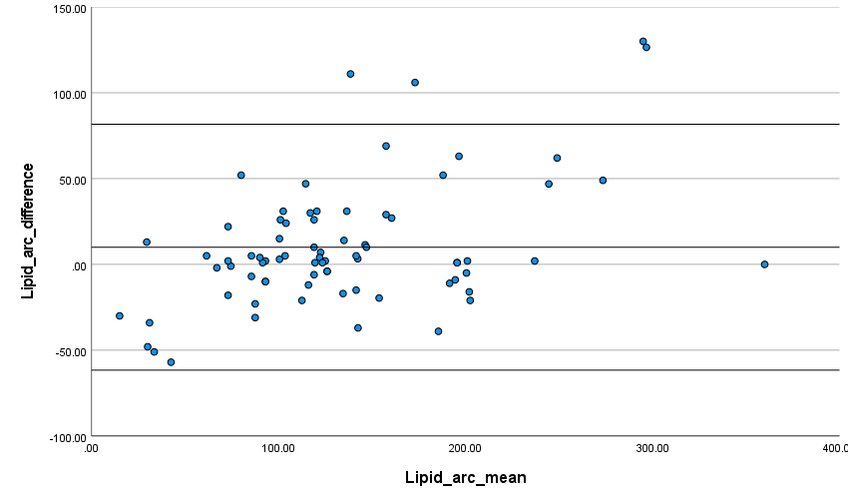
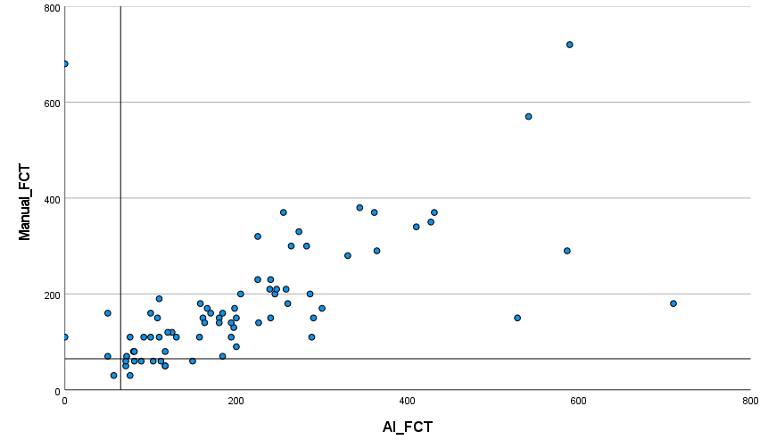
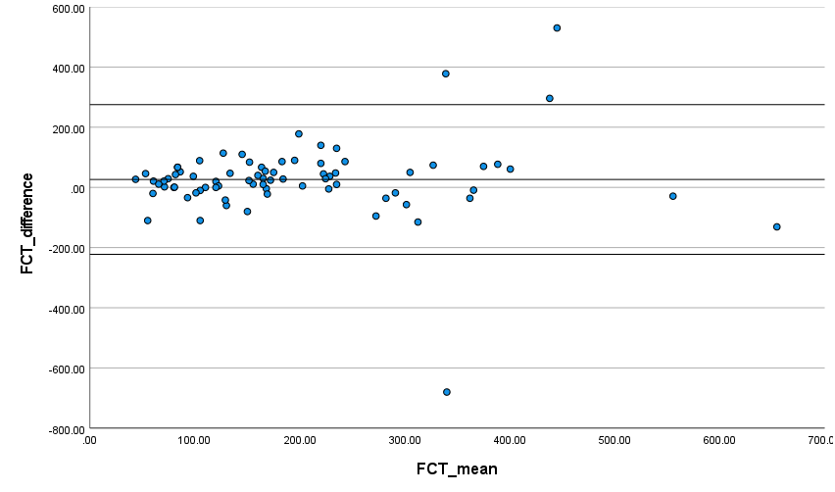
 | Lipid arc | Fibrous Cap thickness
Test 1

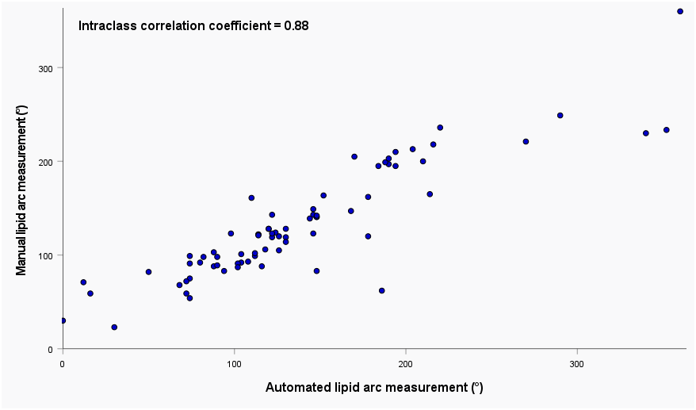
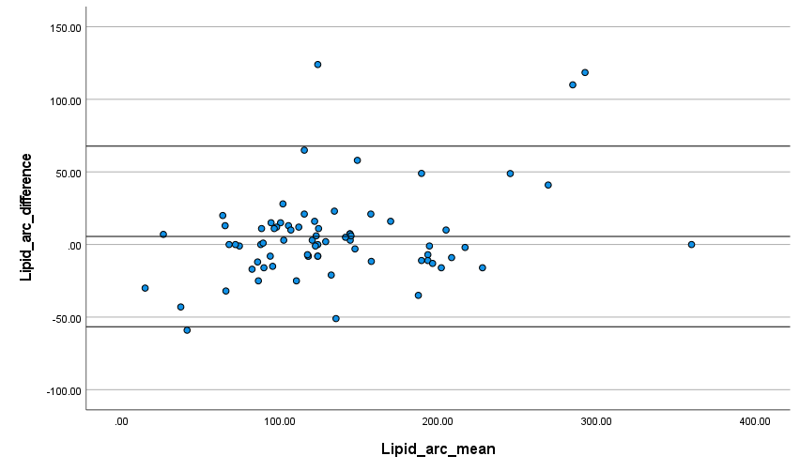
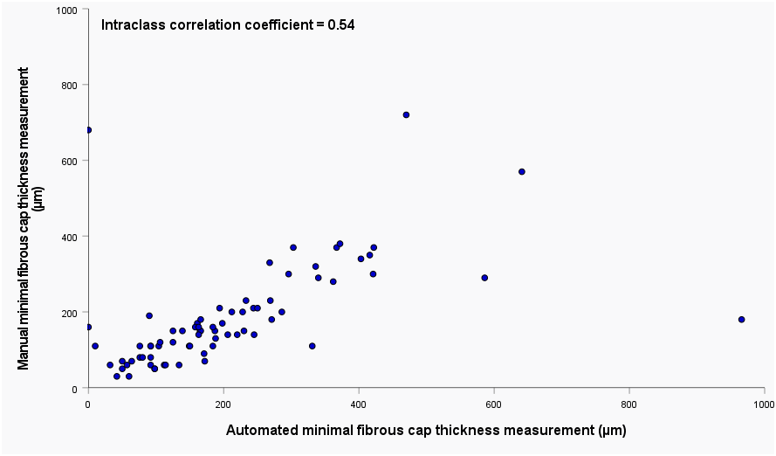
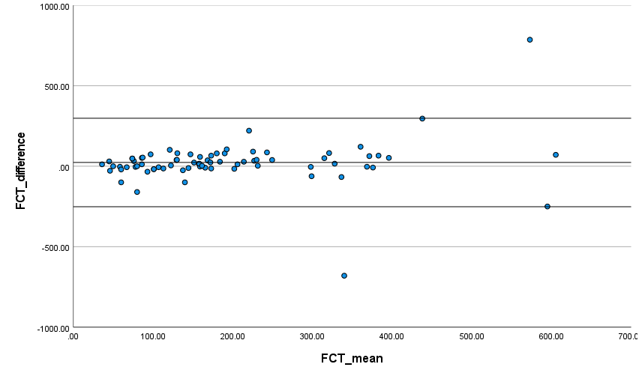
Test 2

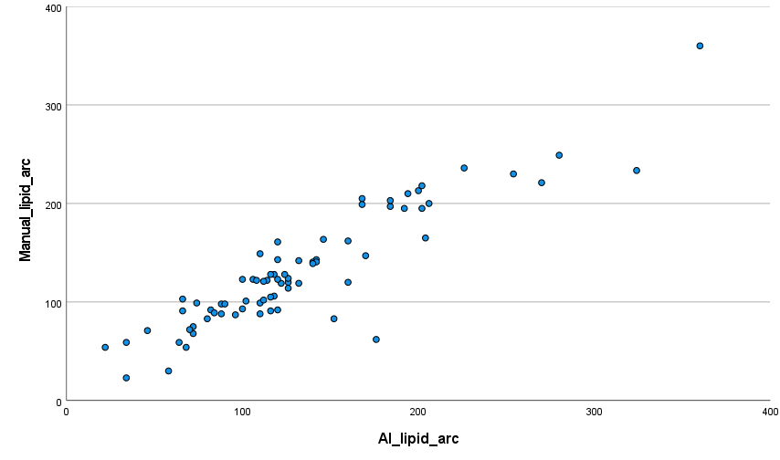
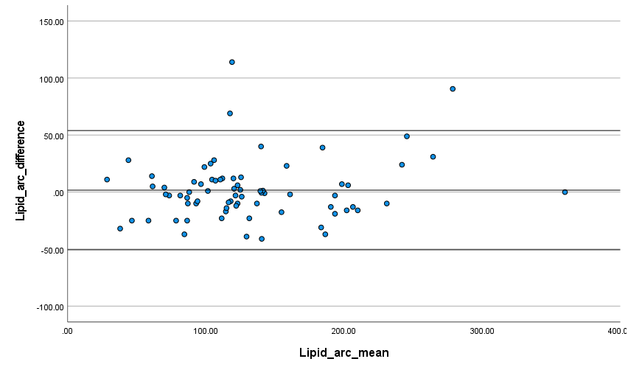
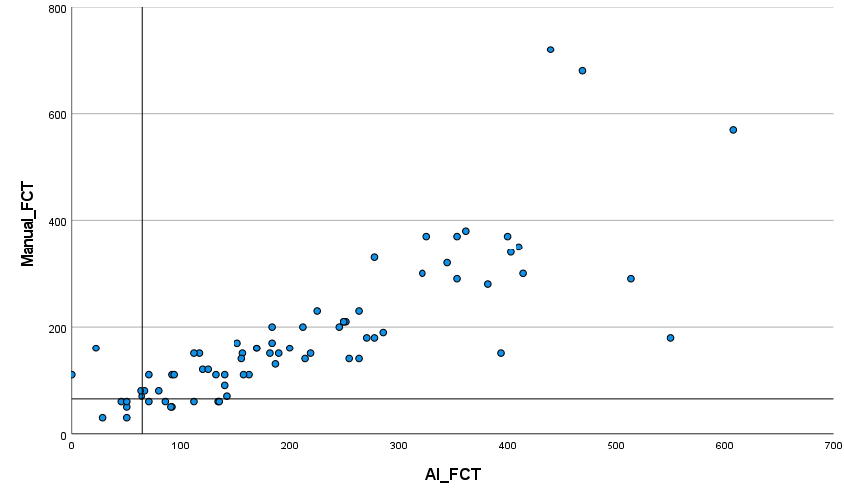
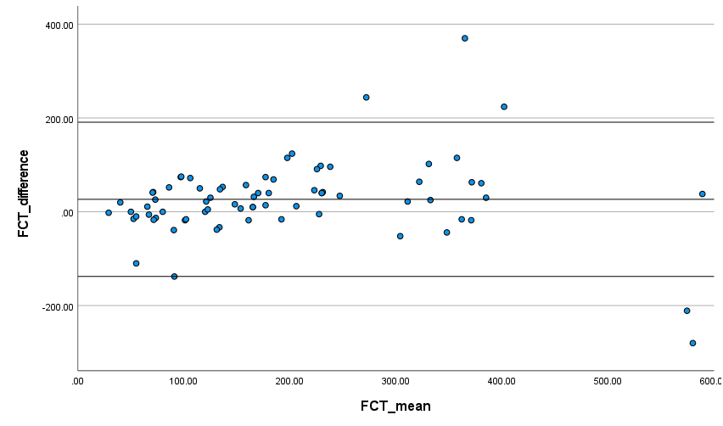
Test 3

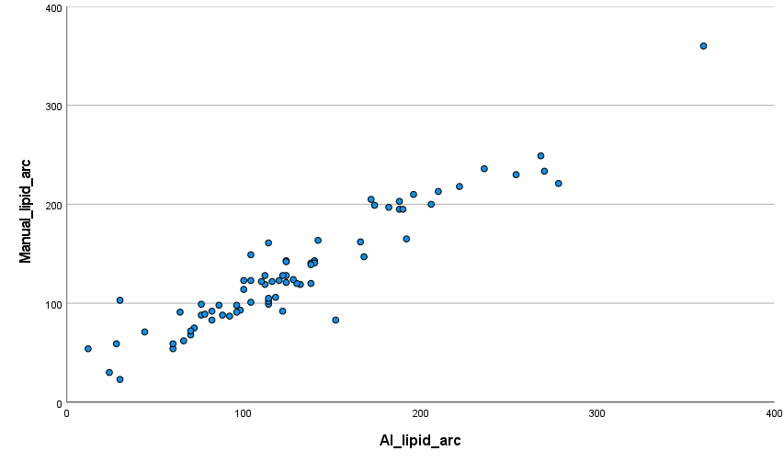
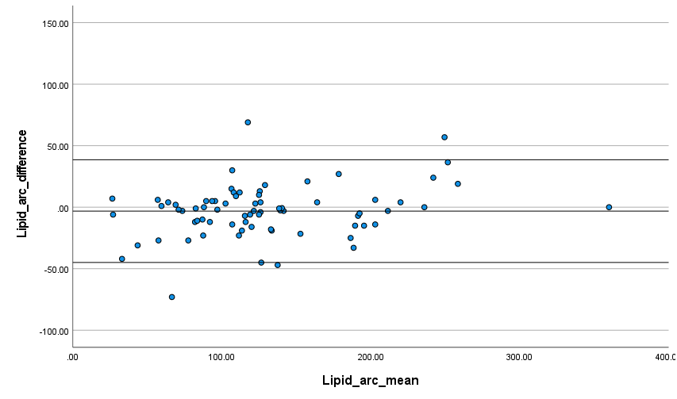
Test 3
Updated

Test 4

